Results
Code has been compiled and Tested on tussilago

1)Compile and run the atomic counter test using the nosync counter implementation: ./test_atomic_counter nosync. Do not modify the nosync implementation. Does it work? Why or why not?

It doesnt work and failes in multi threaded , this is becaus e of the issue of counter.get() getting accesses simultaneously by both the increment and decrement thread.

Changes in header file
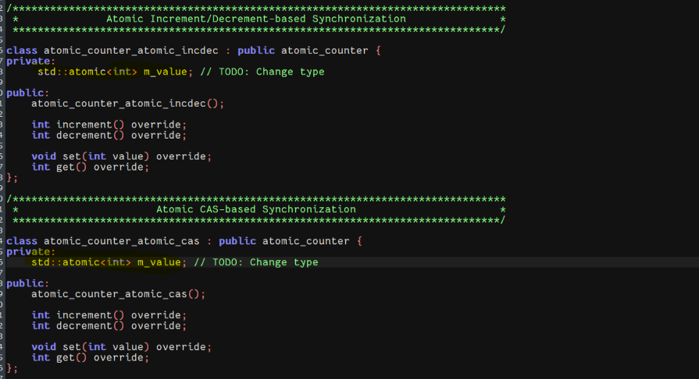

 | sisi2145@tussilago:~/avdark_Lab/Lab2$
 | sisi2145@tussilago:~/avdark_Lab/Lab2$ ./test_atomic_counter
 | Usage: ./test_atomic_counter <TEST>

 | Where <TEST> can be:
 | nosync
 | lock
 | atomic_incdec
 | atomic_cas
 | sisi2145@tussilago:~/avdark_Lab/Lab2$ ./test_atomic_counter nosync

 | #1: Singlethreaded tests

 | counter->set(1)/get(): SUCCESS
 | counter->set(2)/get(): SUCCESS
 | counter->increment(): SUCCESS
 | counter->increment(): SUCCESS
 | counter->decrement(): SUCCESS
 | counter->decrement(): SUCCESS

 | #2: Multithreaded tests

 | equal inc/dec: FAILED
 | Expected: 0
 | Actual : -39745680
 | at test_atomic_counter.cpp:81
 | sisi2145@tussilago:~/avdark_Lab/Lab2$
 | sisi2145@tussilago:~/avdark_Lab/Lab2$ ./test_atomic_counter lock

 | #1: Singlethreaded tests

 | counter->set(1)/get(): SUCCESS
 | counter->set(2)/get(): SUCCESS
 | counter->increment(): SUCCESS
 | counter->increment(): SUCCESS
 | counter->decrement(): SUCCESS
 | counter->decrement(): SUCCESS

 | #2: Multithreaded tests

 | equal inc/dec: SUCCESS
 | --> Performance: 1901990 ops/s
 | unequal inc/dec: SUCCESS
 | All lock tests finished successfully!

 | sisi2145@tussilago:~/avdark_Lab/Lab2$ ./test_atomic_counter atomic_incdec

 | #1: Singlethreaded tests

 | counter->set(1)/get(): SUCCESS
 | counter->set(2)/get(): SUCCESS
 | counter->increment(): SUCCESS
 | counter->increment(): SUCCESS
 | counter->decrement(): SUCCESS
 | counter->decrement(): SUCCESS

 | #2: Multithreaded tests

 | equal inc/dec: SUCCESS
 | --> Performance: 4245394 ops/s
 | unequal inc/dec: SUCCESS
 | All atomic_incdec tests finished successfully!

 | sisi2145@tussilago:~/avdark_Lab/Lab2$ ./test_atomic_counter atomic_cas

 | #1: Singlethreaded tests

 | counter->set(1)/get(): SUCCESS
 | counter->set(2)/get(): SUCCESS
 | counter->increment(): SUCCESS
 | counter->increment(): SUCCESS
 | counter->decrement(): SUCCESS
 | counter->decrement(): SUCCESS

 | #2: Multithreaded tests

 | equal inc/dec: SUCCESS
 | --> Performance: 5098418 ops/s
 | unequal inc/dec: SUCCESS
 | All atomic_cas tests finished successfully!

 | sisi2145@tussilago:~/avdark_Lab/Lab2$

 |  | Type | ops/s
 |  | lock | 1901990
 |  | atomic_incdec | 4245394
 |  | atomic_cas | 5098418

 | We can see that the order from fastes to slowest is atomic_cas > atomic_incdec>mutex_lock

 | Mutex locks are the slowest
 | Locks introduce more overhead due to acquiring and releasing the lock, and contention can lead to performance degradation.
 | If there is high contention, threads might spend more time waiting for the lock, leading to decreased overall performance.

 | Atomic incDec perform moderately here
 | Better overhead than locks
 | Will face contention if multiple threads try to inc/dec simultaneously

 | Atomic CAS are the fastest
 | CAS operations can perform very well when there is low contention for the shared resource.
 | CAS allows for conditional updates, enabling threads to perform the update only if the expected value matches the current value. This can lead to efficient and optimized handling of specific conditions.
 | CAS is scalable.
 | CAS is lock free wait free , which means if threads are blocked then it is progressed

